ETS Tax
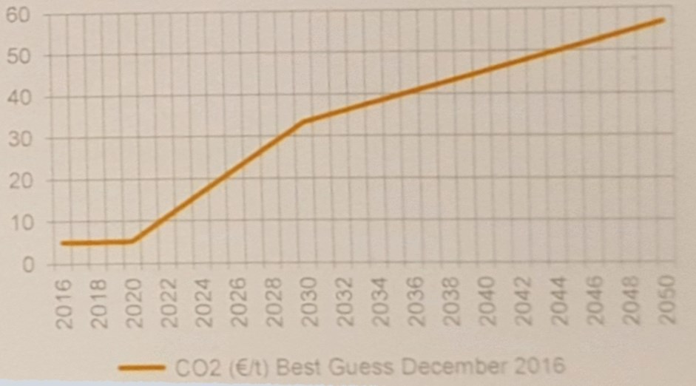
We add the cost of the European ETS carbon permits to the cost of
non-biomass, carbon-emitting fuels in the power sector (the only sector
covered by the ETS).

Cost of Carbon Emissions Allowances (Euro/ton CO2)
 | 2020 | 2025 | 2035 | 2050
Carbon permit price | 5 | 20 | 40 | 56

Cost of Carbon Emissions Allowances ($/ton CO2)
 | 2020 | 2025 | 2035 | 2050
Carbon permit price | 6 | 22 | 45 | 63

Cost of Carbon Emissions Allowances ($/g CO2)
 | 2020 | 2025 | 2035 | 2050
Carbon permit price | 5.61E-06 | 2.24E-05 | 4.49E-05 | 6.28E-05

Carbon Intensity of Fuels in Power Sector (g CO2/BTU)
See "PEI" variable for source information and calculations.
hard coal | 0.10683455
natural gas | 0.053605429035
petroleum | 0.079512680194
lignite | 0.11549696

Cost of Carbon Emissions Allowances ($/BTU)
 | 2020 | 2025 | 2035 | 2050
hard coal | 5.99E-07 | 2.40E-06 | 4.79E-06 | 6.71E-06
natural gas | 3.01E-07 | 1.20E-06 | 2.40E-06 | 3.37E-06
petroleum | 4.46E-07 | 1.78E-06 | 3.57E-06 | 4.99E-06
lignite | 6.48E-07 | 2.59E-06 | 5.18E-06 | 7.25E-06

Cost of Carbon Emissions Allowances, Annualized ($/BTU)
 | 2015 | 2016 | 2017 | 2018 | 2019 | 2020 | 2021 | 2022 | 2023 | 2024 | 2025 | 2026 | 2027 | 2028 | 2029 | 2030 | 2031 | 2032 | 2033 | 2034 | 2035 | 2036 | 2037 | 2038 | 2039 | 2040 | 2041 | 2042 | 2043 | 2044 | 2045 | 2046 | 2047 | 2048 | 2049 | 2050
hard coal | 0 | 0 | 0 | 0 | 2.3963395266E-07 | 5.9908488165E-07 | 9.5853581063E-07 | 1.3179867396E-06 | 1.6774376686E-06 | 2.0368885976E-06 | 2.3963395266E-06 | 2.6359734792E-06 | 2.8756074319E-06 | 3.1152413846E-06 | 3.3548753372E-06 | 3.5945092899E-06 | 3.8341432425E-06 | 4.0737771952E-06 | 4.3134111478E-06 | 4.5530451005E-06 | 4.7926790532E-06 | 4.9204838279E-06 | 5.0482886027E-06 | 5.1760933774E-06 | 5.3038981522E-06 | 5.4317029269E-06 | 5.5595077017E-06 | 5.6873124764E-06 | 5.8151172512E-06 | 5.9429220259E-06 | 6.0707268007E-06 | 6.1985315754E-06 | 6.3263363502E-06 | 6.4541411249E-06 | 6.5819458997E-06 | 6.7097506744E-06
natural gas | 0 | 0 | 0 | 0 | 1.2023901297E-07 | 3.0059753244E-07 | 4.809560519E-07 | 6.6131457136E-07 | 8.4167309082E-07 | 1.0220316103E-06 | 1.2023901297E-06 | 1.3226291427E-06 | 1.4428681557E-06 | 1.5631071687E-06 | 1.6833461816E-06 | 1.8035851946E-06 | 1.9238242076E-06 | 2.0440632206E-06 | 2.1643022335E-06 | 2.2845412465E-06 | 2.4047802595E-06 | 2.4689077331E-06 | 2.5330352067E-06 | 2.5971626802E-06 | 2.6612901538E-06 | 2.7254176274E-06 | 2.789545101E-06 | 2.8536725746E-06 | 2.9178000482E-06 | 2.9819275218E-06 | 3.0460549954E-06 | 3.1101824689E-06 | 3.1743099425E-06 | 3.2384374161E-06 | 3.3025648897E-06 | 3.3666923633E-06
petroleum | 0 | 0 | 0 | 0 | 1.7834996114E-07 | 4.4587490286E-07 | 7.1339984457E-07 | 9.8092478629E-07 | 1.248449728E-06 | 1.5159746697E-06 | 1.7834996114E-06 | 1.9618495726E-06 | 2.1401995337E-06 | 2.3185494949E-06 | 2.496899456E-06 | 2.6752494172E-06 | 2.8535993783E-06 | 3.0319493394E-06 | 3.2102993006E-06 | 3.3886492617E-06 | 3.5669992229E-06 | 3.6621192021E-06 | 3.7572391814E-06 | 3.8523591607E-06 | 3.94747914E-06 | 4.0425991193E-06 | 4.1377190985E-06 | 4.2328390778E-06 | 4.3279590571E-06 | 4.4230790364E-06 | 4.5181990156E-06 | 4.6133189949E-06 | 4.7084389742E-06 | 4.8035589535E-06 | 4.8986789327E-06 | 4.993798912E-06
lignite | 0 | 0 | 0 | 0 | 2.5906406724E-07 | 6.476601681E-07 | 1.036256269E-06 | 1.4248523698E-06 | 1.8134484707E-06 | 2.2020445715E-06 | 2.5906406724E-06 | 2.8497047396E-06 | 3.1087688069E-06 | 3.3678328741E-06 | 3.6268969414E-06 | 3.8859610086E-06 | 4.1450250758E-06 | 4.4040891431E-06 | 4.6631532103E-06 | 4.9222172776E-06 | 5.1812813448E-06 | 5.3194488473E-06 | 5.4576163499E-06 | 5.5957838524E-06 | 5.7339513549E-06 | 5.8721188575E-06 | 6.01028636E-06 | 6.1484538625E-06 | 6.286621365E-06 | 6.4247888676E-06 | 6.5629563701E-06 | 6.7011238726E-06 | 6.8392913751E-06 | 6.9774588777E-06 | 7.1156263802E-06 | 7.2537938827E-06

